Dashboard
Nigerian Car Market

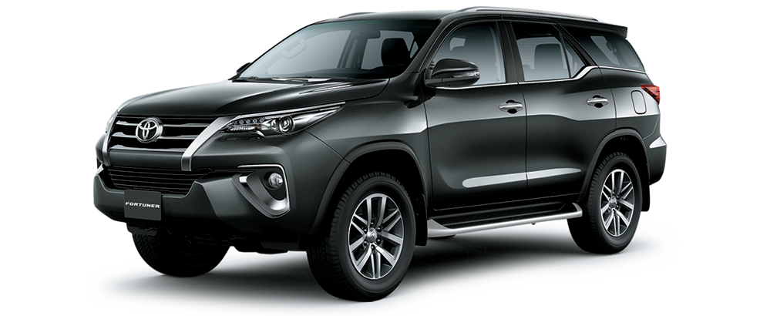
Average vehicle Nigerian Car Market
₦5.0M
28.4K
(KM)
217
(hp)
3.1K
(cc)
Mileage
Location: Nigeria Africa.
Price
Horse power
Engine size

Top 10 Most Popular Car Models In Nigeria
 | Total
Volkswagen | 54
Acura | 56
Kia | 57
Hyundai | 97
Nissan | 108
Ford | 131
Mercedes-Benz | 245
Lexus | 289
Honda | 303
Toyota | 1117

 | Total
Automatic | 2650
Manual | 159
Naija Drivers Choice : Automatic or Manual
Top 10 Picks For Nigeria Colors
 | Total
Beige | 18
Black | 727
Blue | 306
Brown | 46
Gold | 147
Gray | 491
Green | 98
Red | 202
Silver | 474
White | 270

Insights on pricing ,Mileage and Performance ; Sourced from car45.com

Akinade Esther A.

